Script
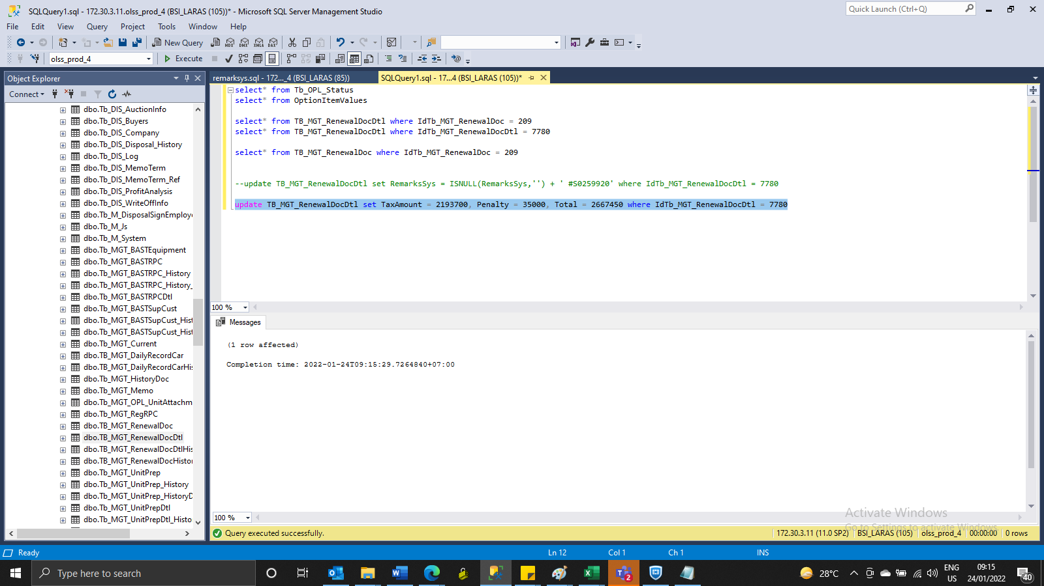
INSERT TB_MGT_RenewalDocDtl

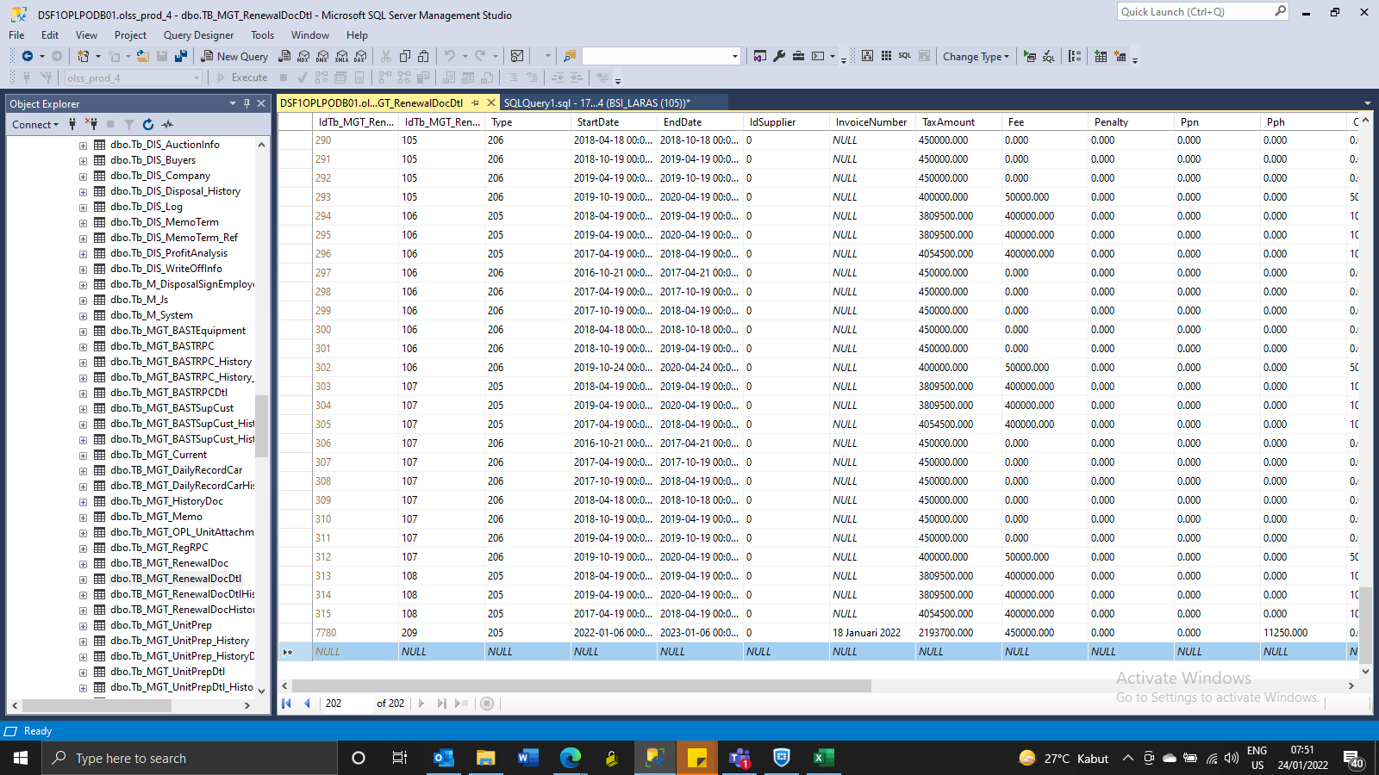

update TB_MGT_RenewalDocDtl set TaxAmount = 2193700, Penalty = 35000, Total = 2667450 where IdTb_MGT_RenewalDocDtl = 7780

Screeshoot
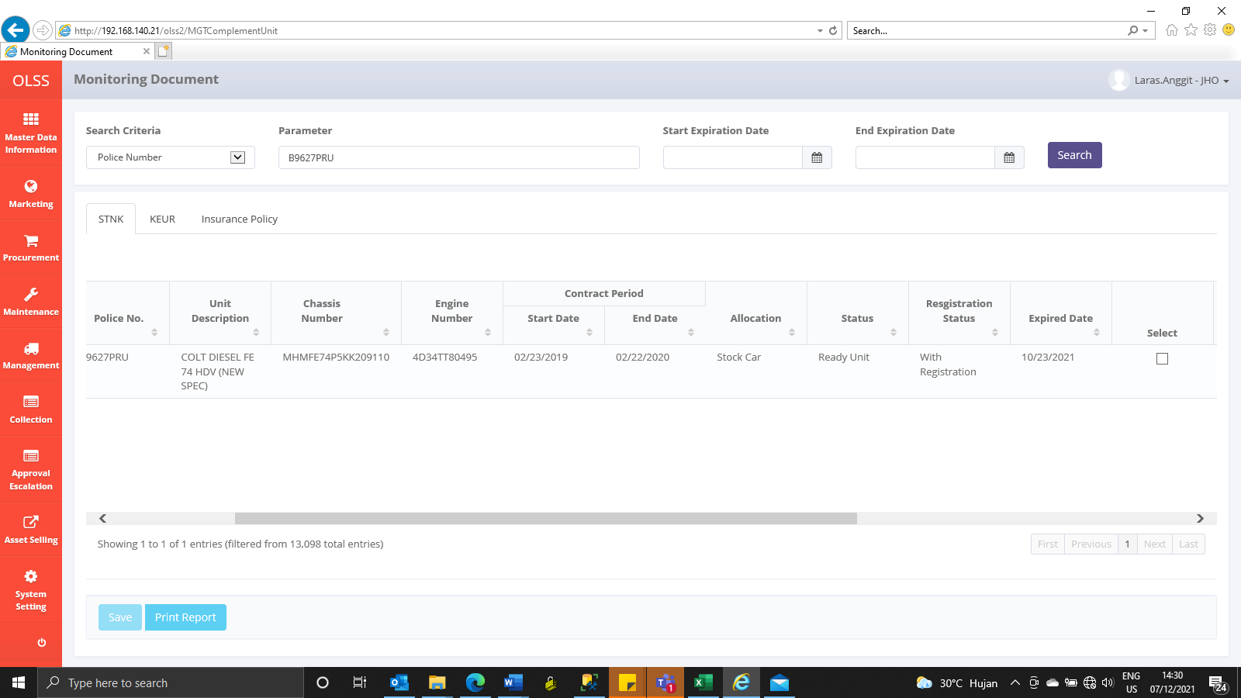
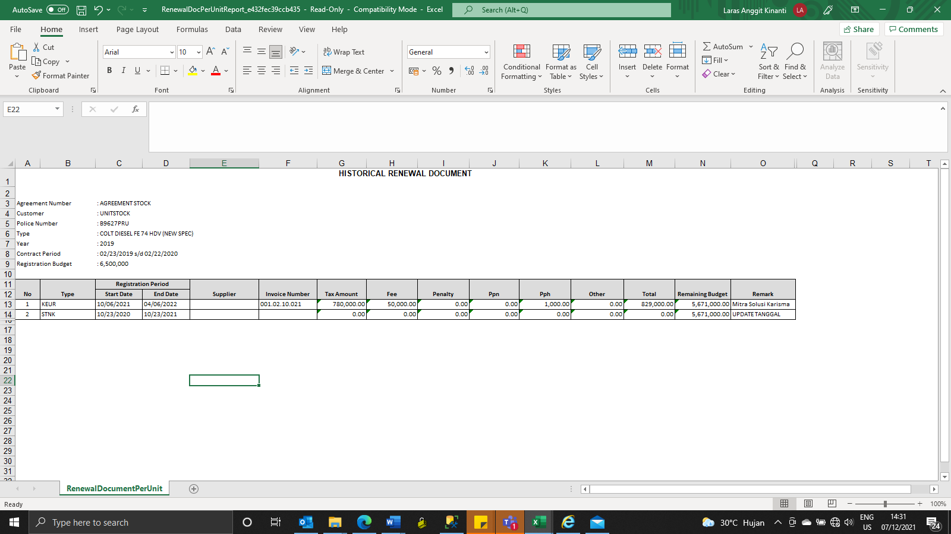
BEFORE

AFTER

BEFORE UPDATE

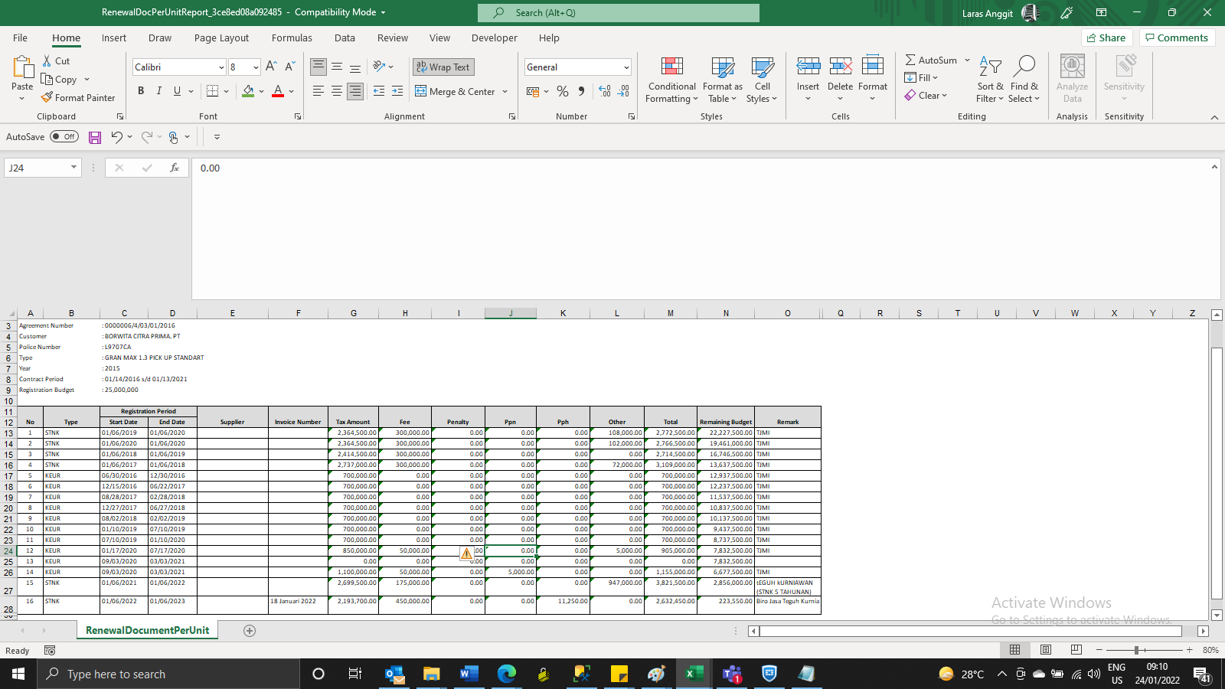

AFTER
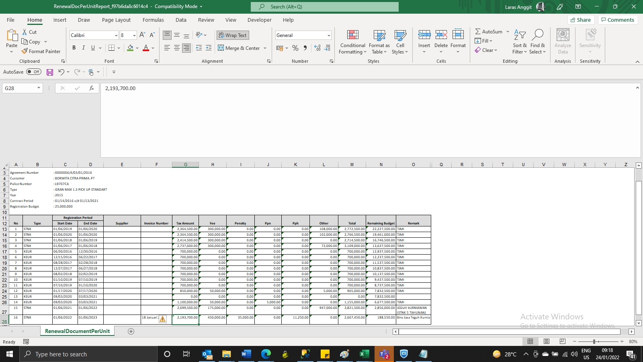

AFTER

